Application Screen
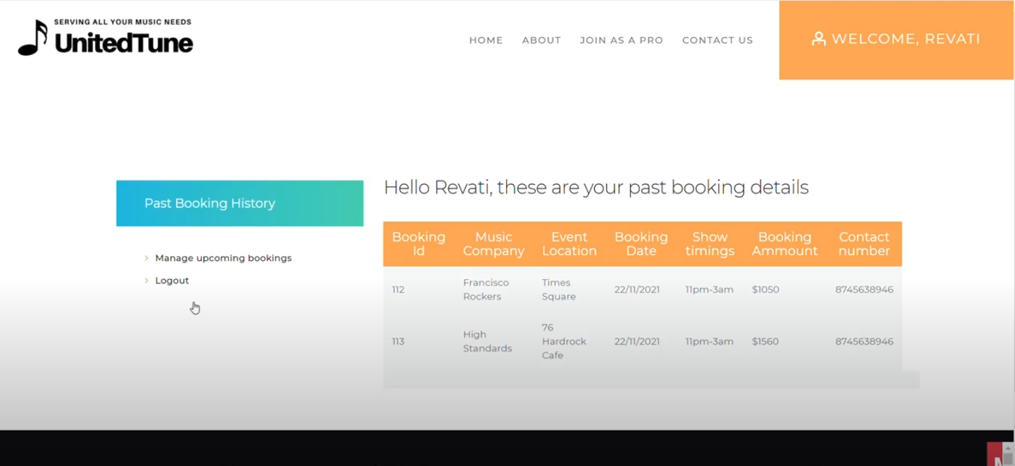

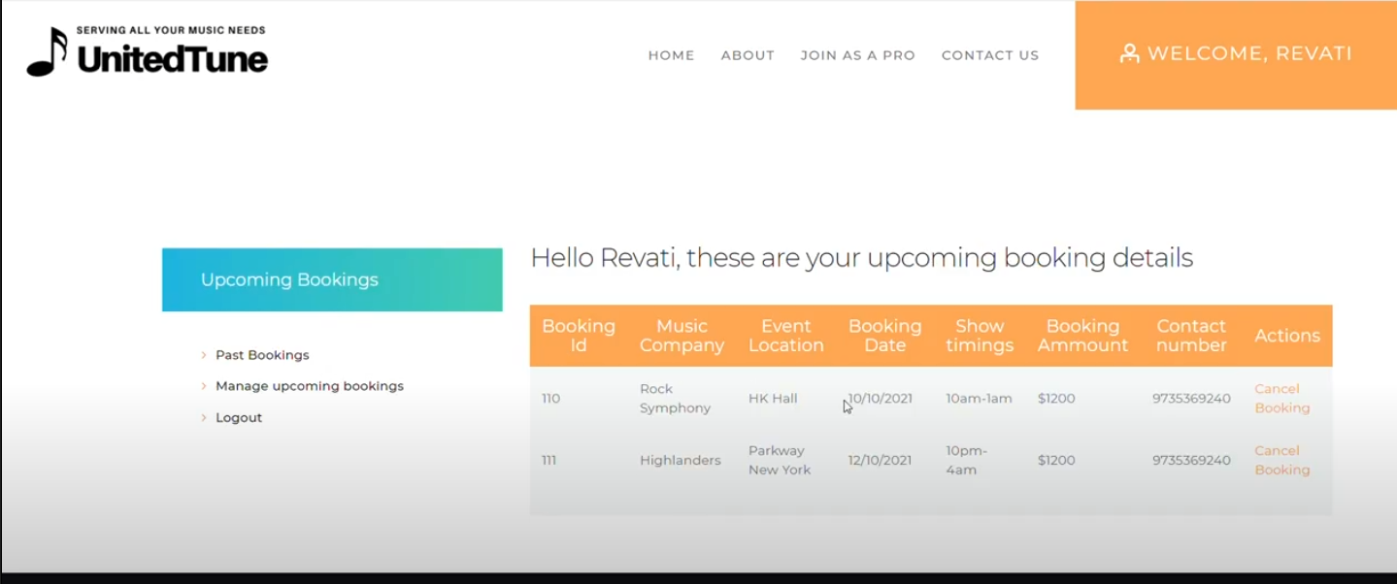

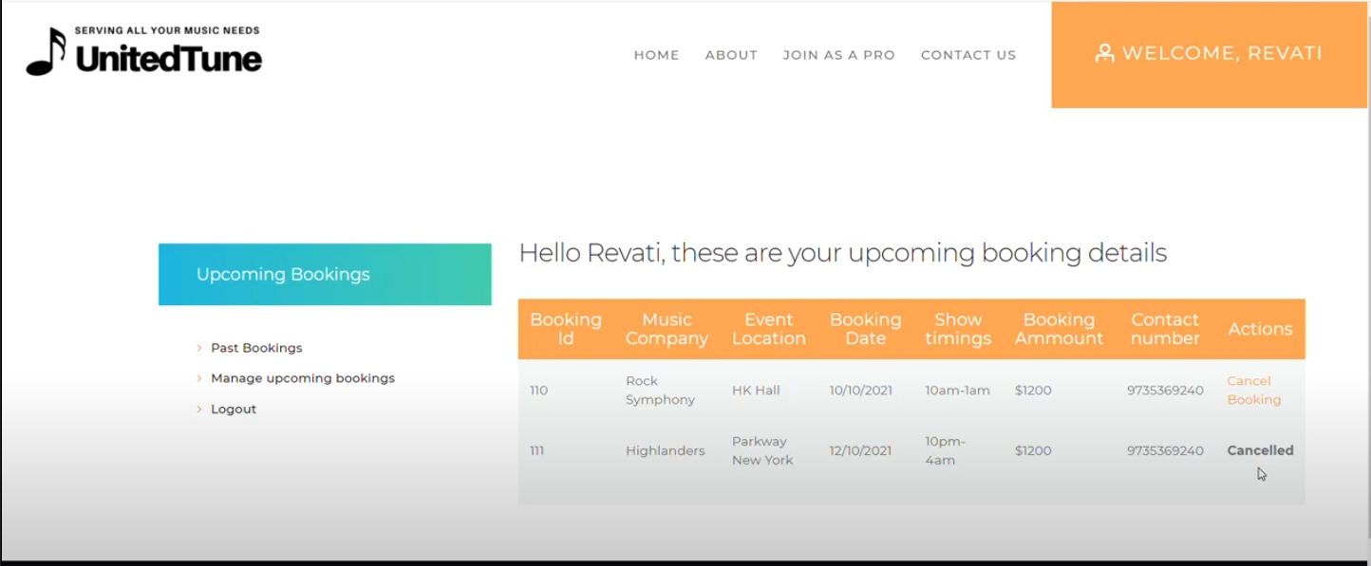

Test case 4
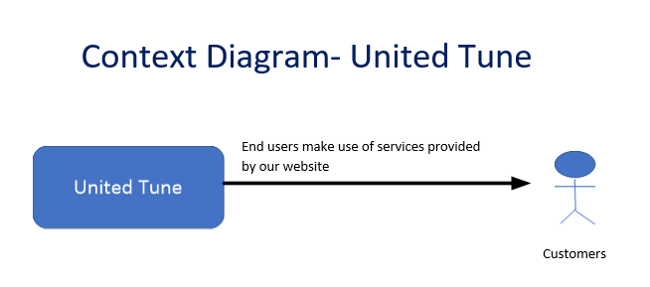
TC Title: | TC4. View Booking History - System Interface (Outbound)

TC Objective: | This test checks if the user receives an email notification whenever the user cancels any booking.

TC Description
 | Step | Step Description | Expected Results
 | 1 | Using google chrome access the website, click "Join as a Customer" and login | User should be navigated to User Account Page
 | 2 | Click "View Booking History" | User should see the past booking details with booking information
 | 3 | Click "Manage upcoming bookings" | User should see the similar information as in Step 2 with additional column 'Action' which gives user 'Cancel Booking' option
 | 4 | Click "Cancel Booking" for an upcoming booking | Value in the Actions column should change to 'Cancelled' and user should receive a confirmation email about the cancellation associated with the booking

